Sheet1
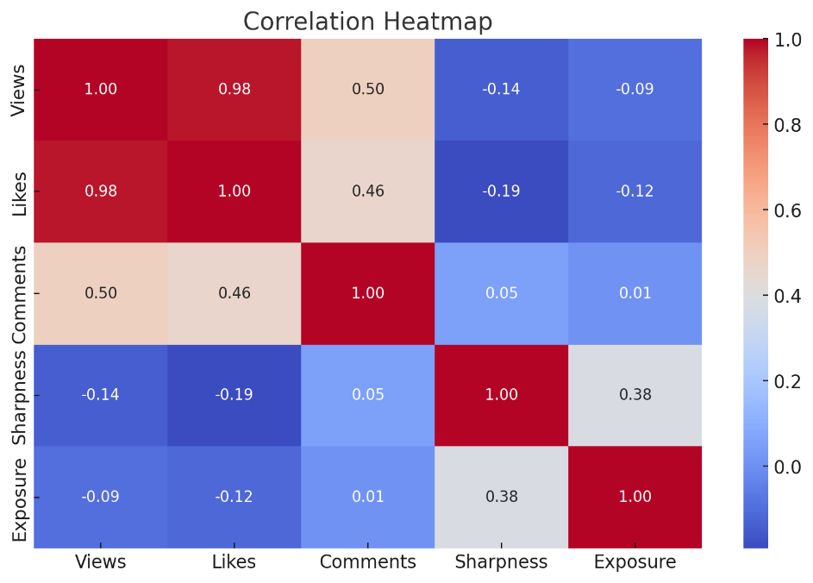
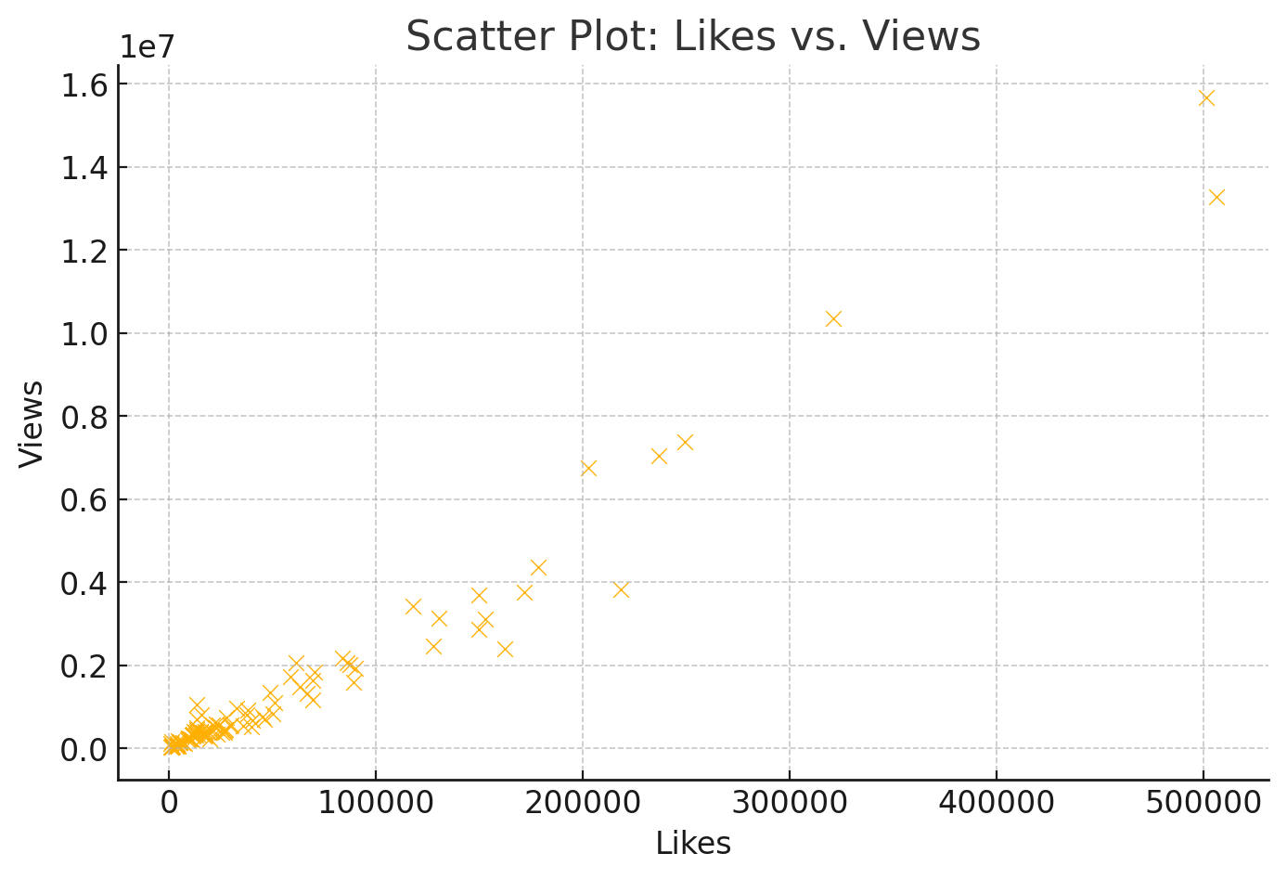
Regression Analysis Results:

1. Feature Coefficients:

Likes: 27.92 – An increase in likes contributes positively to views.
Comments: 245.01 – Comments have a strong positive impact on views.
Sharpness: 138.07 – Higher image sharpness slightly boosts views.
Exposure: -945.04 – Higher exposure negatively affects views.

2. Model Performance:

Mean Squared Error (MSE): 170,176,616,523.90 – The error in the predictions.
R-squared (R²): 0.877 – The model explains 87.7% of the variance in Views
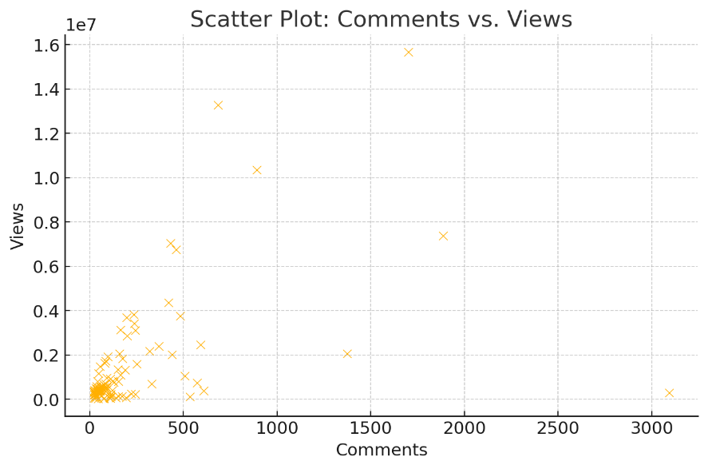
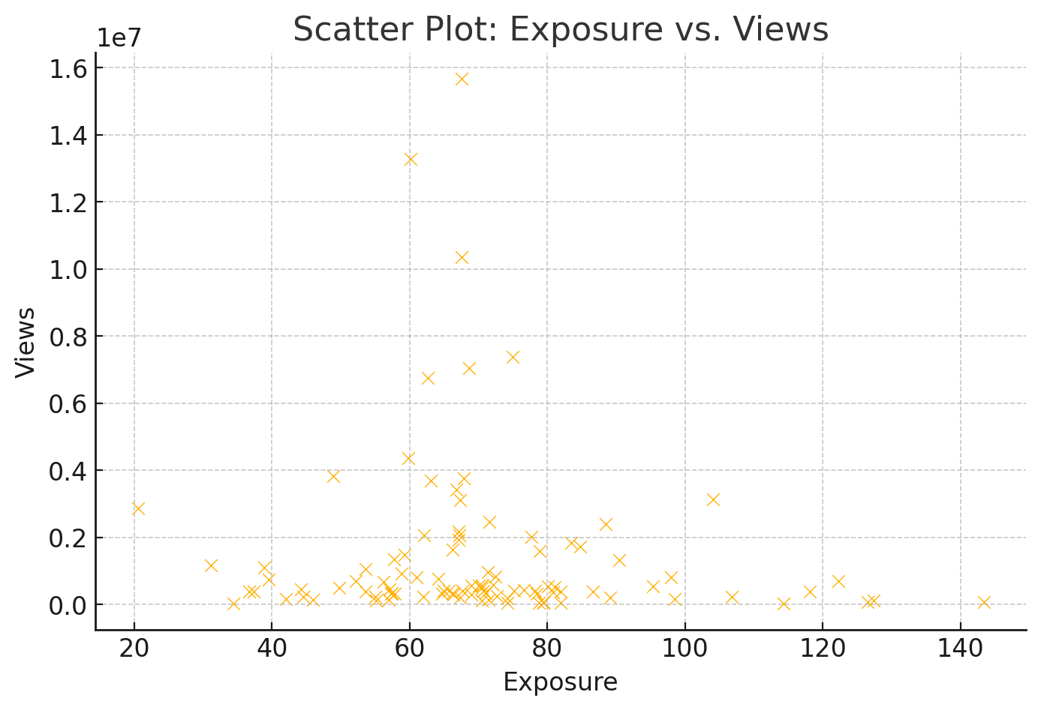
Visualizations and Key Insights:

1. Correlation Heatmap:

Strong positive correlation between Likes, Comments, and Views.
Sharpness has a moderate positive correlation with Views.
Exposure shows a negative correlation with Views.

2. Scatter Plot: Likes vs. Views:

A clear positive trend: videos with more likes tend to have higher views.

3. Scatter Plot: Comments vs. Views:

A strong positive relationship is evident, indicating that higher engagement (comments) leads to more views.

4. Scatter Plot: Exposure vs. Views:

A negative relationship is observed, suggesting that overly exposed thumbnails or videos might reduce viewership.

Key Insights:

Engagement Drives Success: Likes and comments are strong predictors of video success. Increasing these metrics can significantly boost viewership.
Visual Quality Matters: Sharpness positively impacts views, suggesting viewers prefer visually appealing content.
Exposure Trade-Off: Overexposed videos may deter viewers. Maintaining balanced exposure could improve performance.
Focusing on content that encourages interactions (likes, comments) and refining visual elements (sharpness, exposure) is crucial for maximizing views.

